Statistics & Graph
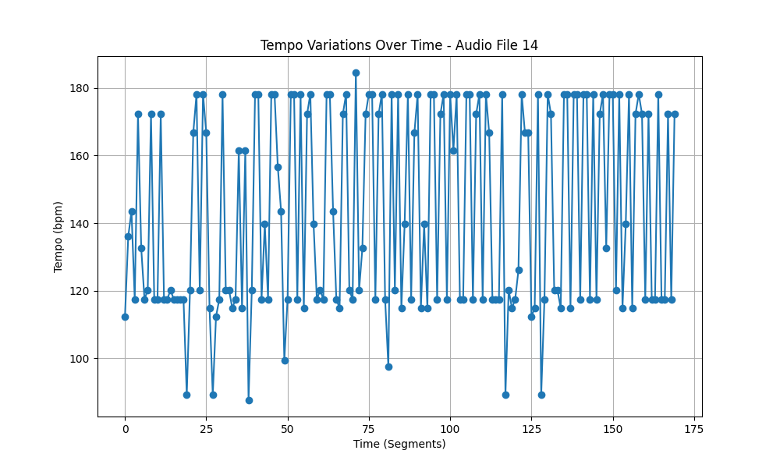
Metric | Value
Mean | 143.31600667
Standard Deviation | 29.571843815
Coefficient of Variation (CV) | 20.634013257

